CHS comparison testing
CHS comparison testing

QA |  |  |  |  |  |  |  | DEV
Sr. no | Bug Description | Steps to re-produce | Priority | Severity | Screenshot | Reported by | Assigned to | Status | Comments (If any)
1 | Unable to search domain in "Domain" section |  | P1 | S1 |  | Engr. M Hamza Zubair
2 | All the domain names are not listed on "Domain" screen |  | P1 | S1 |  | Engr. M Hamza Zubair
3 | Nothing is happening on clicking "Start 30 days trial" button, on the packages available on "Web hosting" screen. The user should be re-directed to "Sign up" form |  | P1 | S1 |  | Engr. M Hamza Zubair
4 | There is no option of "Start free trial" in the comparison list. |  | P1 | S1 | 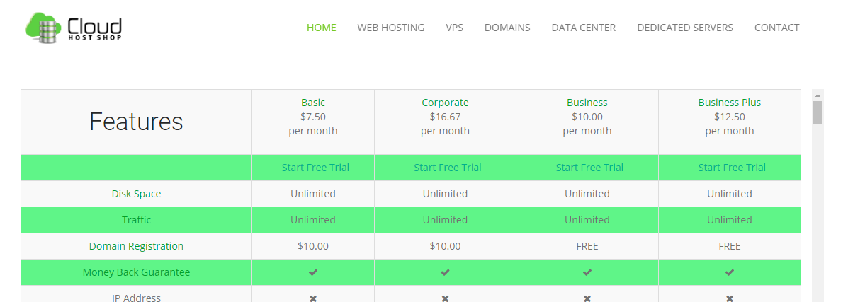 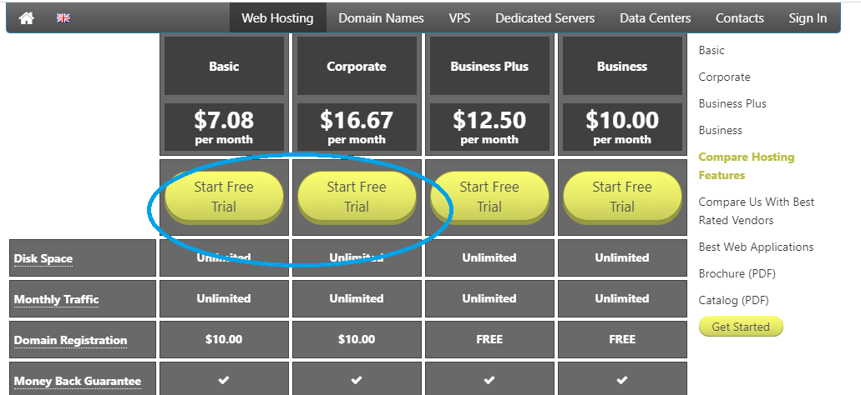 | Engr. M Hamza Zubair
5 | On clicking on "Get plan" button on packages in "VPS" screen, the user is moved to home screen. |  | P1 | S1 | 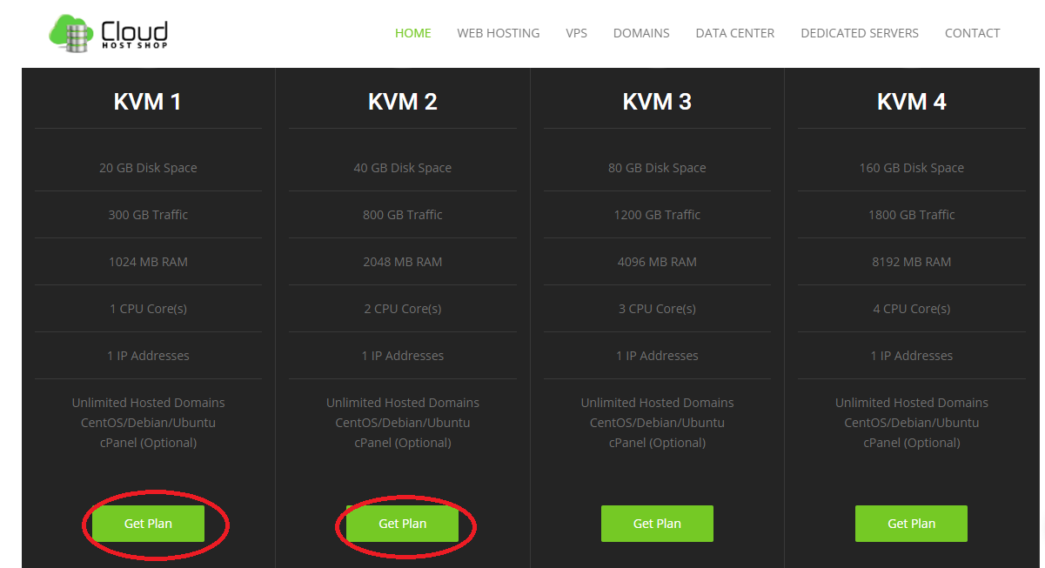 | Engr. M Hamza Zubair
6 | The options monthly, quarterly and semi-annually are not working available in packages on "Dedicated Servers" page. NOTE: The list of available packages according to selected category should be opened. |  |  |  | 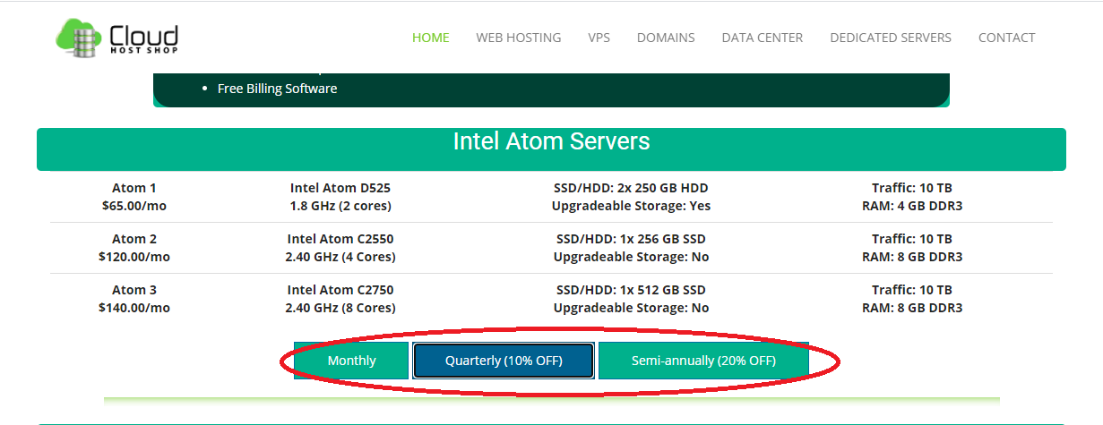 | Engr. M Hamza Zubair

